records
Sample Measurement Record
Mano Engineering LLC |  |  |  |  | Part No. F10090
No. | OD | ID | Thickness | h
1 | 1.5505 | 1.026 | 0.024
2 | 1.55 | 1.0255 | 0.024
3 | 1.55 | 1.027 | 0.024
4 | 1.549 | 1.0265 | 0.024
5 | 1.5505 | 1.027 | 0.024

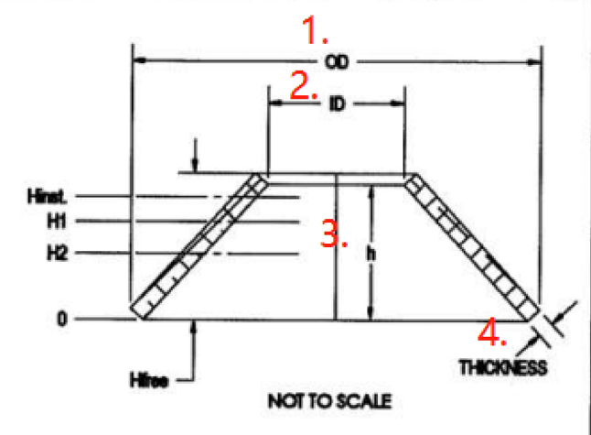
F

H

Note: "h" can't be measured reliably

